Questions 1-3
Number of trials set to 2500 to keep within license parameters, and seed set to 5 in Options. Monte Carlo sampling method chosen.
 |  |  | Estimated
Type of Repair | Prob. | Cost/Hr | Repair Time | Dist. Type | Parms
Software Only | 0.35 | 70 | 0.0002321719665 | Lognormal | 0.75 | 6 |  | m, s
Mechanical Only | 0.4 | 80 | 0.21170984474 | Exponential | 1.5 |  |  | m
Software & Mechanical | 0.15 | 130 | 3.0421411675 | Weibull | 2 | 3 |  | shape, scale
Electrical Only | 0.1 | 90 | 0.65322839192 | Triangular | 0 | 1.2 | 4 | min, likely, max
Randomize event type for parts cost |  |  | 0.10697521182 | Uniform | 0 | 1 |  | lower, upper
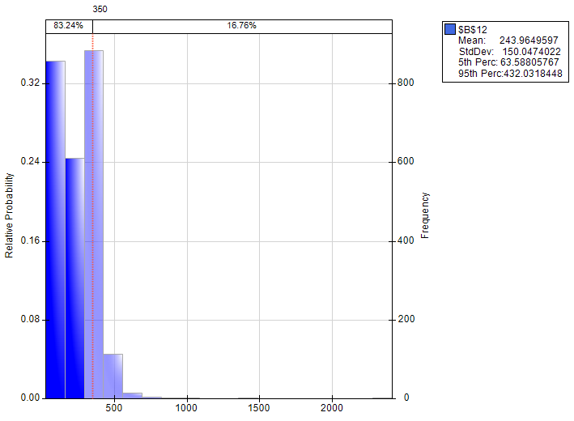
Labor Cost | 71.981211538
Expected Parts Cost | 200 | =IF(D9 < (B6+B7),200,0)
Parts and Labor | 271.98121154 |  | 243.96495965 | Mean Expected Total Cost
 |  |  | 150.04740217 | Std. Dev. Expected Total Cost
1 if true, 0 if false
Parts/Labor over 350? | 0 |  | 0.1676

Mean Expected Parts $ | 109.6
Incurred only for mechanical issues, so expected parts cost for any repair event is (200 * (.4 + .15)) and will simulate close to $110

